GPS1
Raw GPS | B6 | Agness35_1.csv |  | 0 | 1 |  | GPS Eval. | Building name: | Agnesstr.35
7 | 1 |  |  | outdoor | indoor
7 | 1
32 | 1
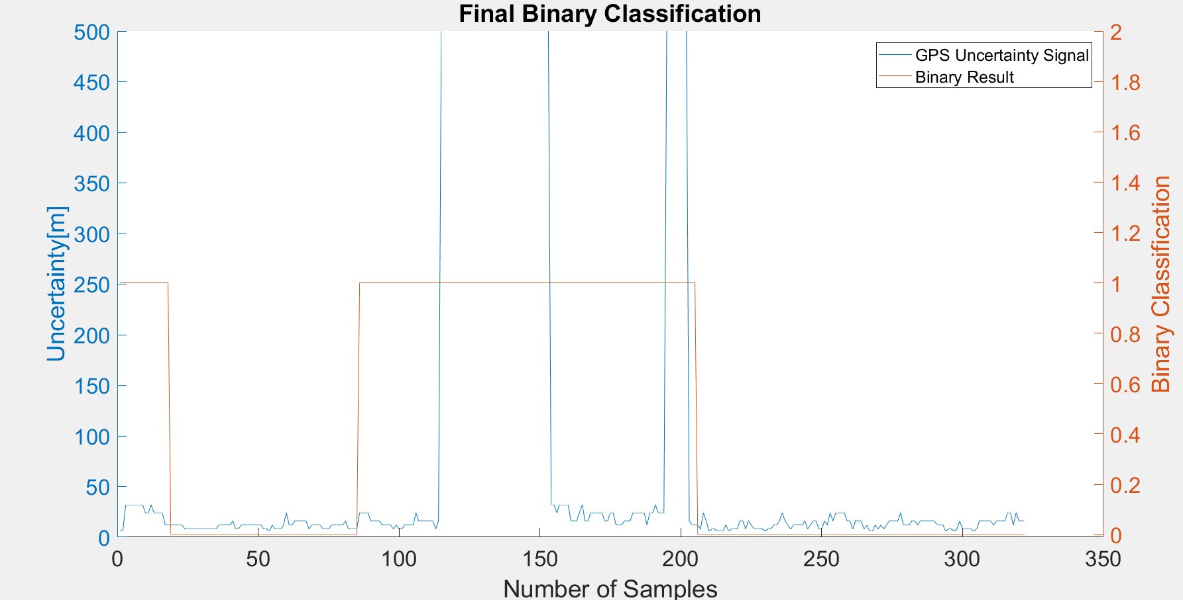
32 | 1 |  | Raw | Magnetic
32 | 1 |  | flags | Binary classification result
32 | 1
32 | 1
32 | 1 |  | n= 322 |  | indoor | outdoor | SUM
32 | 1 |  |  |  | T | F
24 | 1 |  | indoor | T | 119 | 0 | 119 | sum | 322
24 | 1 |  | outdoor | F | 18 | 185 | 203
32 | 1 |  | SUM |  | 137 | 185
24 | 1
24 | 1 |  |  |  | sum | 322
24 | 1
24 | 1 |  | TP or (Recall) | 1
12 | 1 |  | TN | 0.91133004926
12 | 1 |  | Precision | 0.86861313869
12 | 0 |  | Accuracy | 0.94409937888
12 | 0 |  | F Score | 0.9296875
12 | 0
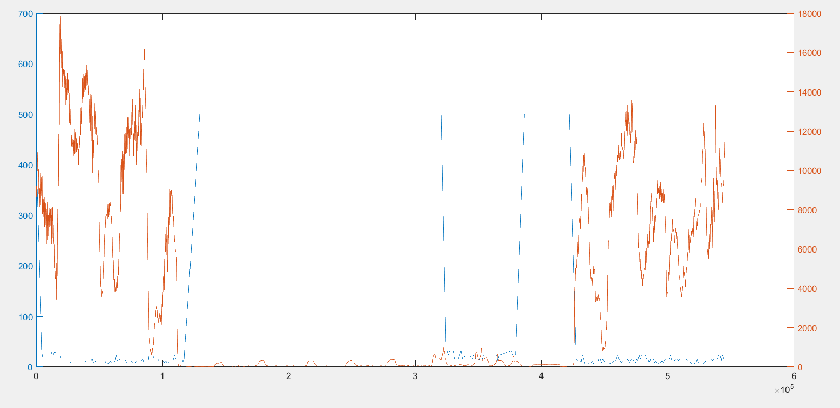
12 | 0
12 | 0 |  | Ground truth: | large edges of GPS or light signal at entrances |  |  |  | Ground Truth
8 | 0 |  |  |  |  |  |  | 205 | 86
8 | 0
8 | 0
8 | 0
8 | 0
8 | 0
8 | 0
8 | 0
8 | 0
8 | 0
8 | 0
8 | 0
12 | 0
12 | 0 |  |  |  |  |  |  |  |  | Synchronised GPS and Light
12 | 0
12 | 0
12 | 0
16 | 0
8 | 0
8 | 0
12 | 0
12 | 0
12 | 0
12 | 0
12 | 0
12 | 0
12 | 0
12 | 0
8 | 0
8 | 0
6 | 0
12 | 0
8 | 0
8 | 0
8 | 0
12 | 0
24 | 0
12 | 0
12 | 0
16 | 0
16 | 0
16 | 0
16 | 0
16 | 0
8 | 0
12 | 0
12 | 0
12 | 0
12 | 0
8 | 0
8 | 0
8 | 0
12 | 0
12 | 0
12 | 0
12 | 0
12 | 0
16 | 0
8 | 0
8 | 0
8 | 0
8 | 0
24 | 1
24 | 1
24 | 1
24 | 1
16 | 1
16 | 1
16 | 1
16 | 1
12 | 1
12 | 1
12 | 1
12 | 1
8 | 1
12 | 1
8 | 1
8 | 1
12 | 1
12 | 1
12 | 1
12 | 1
24 | 1
16 | 1
16 | 1
16 | 1
16 | 1
16 | 1
16 | 1
8 | 1
16 | 1
500 | 1
500 | 1
500 | 1
500 | 1
500 | 1
500 | 1
500 | 1
500 | 1
500 | 1
500 | 1
500 | 1
500 | 1
500 | 1
500 | 1
500 | 1
500 | 1
500 | 1
500 | 1
500 | 1
500 | 1
500 | 1
500 | 1
500 | 1
500 | 1
500 | 1
500 | 1
500 | 1
500 | 1
500 | 1
500 | 1
500 | 1
500 | 1
500 | 1
500 | 1
500 | 1
500 | 1
500 | 1
500 | 1
500 | 1
32 | 1
32 | 1
24 | 1
32 | 1
32 | 1
32 | 1
32 | 1
16 | 1
16 | 1
16 | 1
24 | 1
32 | 1
16 | 1
16 | 1
24 | 1
24 | 1
24 | 1
24 | 1
24 | 1
16 | 1
16 | 1
24 | 1
24 | 1
12 | 1
12 | 1
12 | 1
16 | 1
16 | 1
16 | 1
24 | 1
24 | 1
24 | 1
24 | 1
24 | 1
12 | 1
24 | 1
24 | 1
32 | 1
24 | 1
24 | 1
24 | 1
500 | 1
500 | 1
500 | 1
500 | 1
500 | 1
500 | 1
500 | 1
500 | 1
16 | 1
12 | 1
12 | 1
12 | 0
8 | 0
24 | 0
16 | 0
6 | 0
8 | 0
8 | 0
6 | 0
6 | 0
6 | 0
12 | 0
6 | 0
8 | 0
8 | 0
8 | 0
16 | 0
16 | 0
8 | 0
16 | 0
12 | 0
8 | 0
8 | 0
8 | 0
8 | 0
6 | 0
8 | 0
8 | 0
12 | 0
12 | 0
16 | 0
24 | 0
16 | 0
12 | 0
8 | 0
12 | 0
12 | 0
12 | 0
12 | 0
16 | 0
8 | 0
12 | 0
16 | 0
16 | 0
8 | 0
8 | 0
16 | 0
12 | 0
24 | 0
16 | 0
24 | 0
24 | 0
24 | 0
24 | 0
16 | 0
16 | 0
8 | 0
16 | 0
16 | 0
16 | 0
8 | 0
12 | 0
6 | 0
6 | 0
12 | 0
8 | 0
12 | 0
8 | 0
12 | 0
16 | 0
16 | 0
16 | 0
16 | 0
24 | 0
12 | 0
12 | 0
12 | 0
16 | 0
16 | 0
12 | 0
16 | 0
16 | 0
16 | 0
16 | 0
16 | 0
16 | 0
12 | 0
12 | 0
12 | 0
6 | 0
8 | 0
8 | 0
6 | 0
8 | 0
16 | 0
8 | 0
8 | 0
8 | 0
8 | 0
6 | 0
8 | 0
16 | 0
16 | 0
16 | 0
16 | 0
16 | 0
12 | 0
16 | 0
16 | 0
16 | 0
16 | 0
24 | 0
24 | 0
12 | 0
24 | 0
16 | 0
16 | 0
16 | 0

GPS2
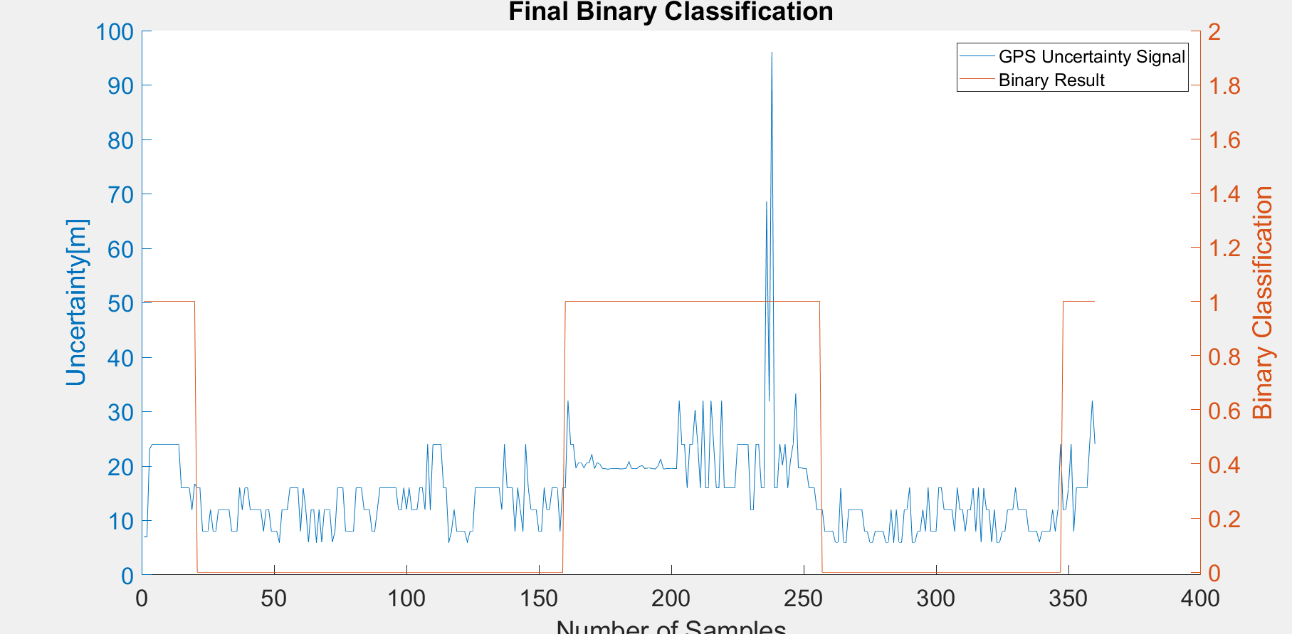
Raw GPS | B6 | Agness35_2.csv |  | 0 | 1 |  | GPS Eval. |  | Building name: | Agnesstr.35
7 | 1 |  |  | outdoor | indoor
7 | 1
23.13699913 | 1
24 | 1 |  | Raw | Magnetic
24 | 1 |  | flags | Binary classification result
24 | 1
24 | 1
24 | 1 |  | n= 360 |  | indoor | outdoor | SUM
24 | 1 |  |  |  | T | F
24 | 1 |  | indoor | T | 91 | 5 | 96 |  | sum | 360
24 | 1 |  | outdoor | F | 32 | 232 | 264
24 | 1 |  | SUM |  | 123 | 237
24 | 1
24 | 1 |  |  |  | sum | 360
16 | 1
16 | 1 |  | TP or (Recall) | 0.94791666667
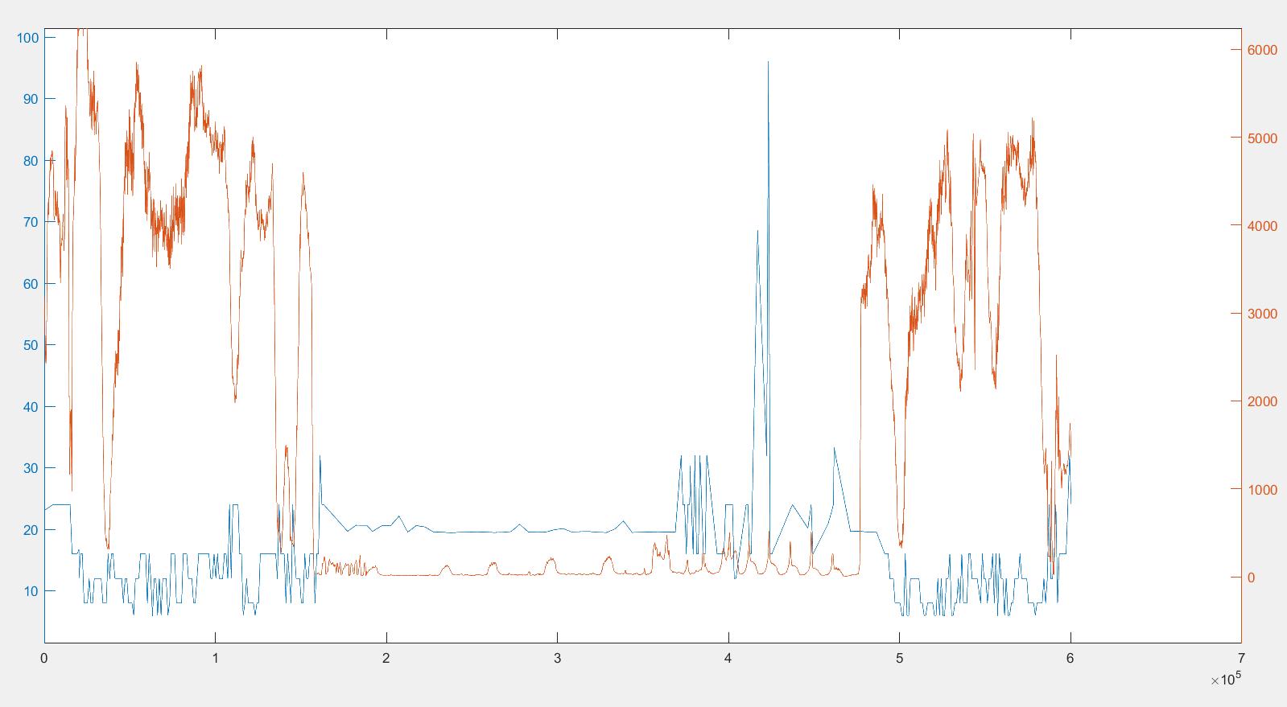
16 | 1 |  | TN | 0.87878787879
16 | 1 |  | Precision | 0.73983739837
12 | 1 |  | Accuracy | 0.89722222222
16.725000381 | 1 |  | F Score | 0.83105022831
16 | 0
16 | 0
8 | 0 |  | Ground truth: | large edges of GPS or light signal at entrances
8 | 0
8 | 0
12 | 0
8 | 0 |  |  |  |  |  |  | Ground Truth
8 | 0 |  |  |  |  |  |  | 160 | 251
12 | 0
12 | 0
12 | 0
12 | 0
12 | 0
8 | 0
8 | 0
8 | 0
16 | 0
12 | 0
16 | 0
16 | 0
12 | 0
12 | 0
12 | 0
12 | 0
12 | 0
8 | 0
12 | 0
12 | 0
8 | 0
8 | 0
8 | 0
6 | 0
12 | 0
12 | 0
12 | 0
16 | 0
16 | 0
16 | 0
16 | 0
8 | 0
16 | 0
12 | 0
6 | 0
12 | 0
12 | 0
6 | 0
12 | 0
6 | 0
12 | 0
12 | 0
12 | 0
6 | 0
8 | 0
16 | 0
16 | 0
16 | 0
8 | 0
8 | 0
8 | 0
8 | 0
16 | 0
16 | 0
16 | 0
12 | 0
12 | 0
12 | 0
8 | 0
8 | 0
12 | 0
16 | 0
16 | 0
16 | 0
16 | 0
16 | 0
16 | 0
16 | 0
12 | 0
12 | 0
16 | 0
12 | 0
16 | 0
12 | 0
12 | 0
12 | 0
16 | 0
16 | 0
12 | 0
24 | 0
12 | 0
24 | 0
24 | 0
24 | 0
24 | 0
16 | 0
16 | 0
6 | 0
8 | 0
12 | 0
8 | 0
8 | 0
8 | 0
8 | 0
6 | 0
8 | 0
8 | 0
16 | 0
16 | 0
16 | 0
16 | 0
16 | 0
16 | 0
16 | 0
16 | 0
16 | 0
16 | 0
12 | 0
24 | 0
16 | 0
16 | 0
16 | 0
8 | 0
16 | 0
12 | 0
8 | 0
24 | 0
16 | 0
12 | 0
12 | 0
12 | 0
8 | 0
8 | 0
16 | 0
12 | 0
12 | 0
16 | 0
16 | 0
16 | 0
8 | 0
16 | 0
16 | 1
32 | 1
24 | 1
24 | 1
19.652000427 | 1
20.649999619 | 1
20.638000488 | 1
19.638999939 | 1
20.565999985 | 1
20.579000473 | 1
22.152000427 | 1
19.534999847 | 1
20.591999054 | 1
20.384000778 | 1
19.565000534 | 1
19.524999619 | 1
19.424999237 | 1
19.502000809 | 1
19.524000168 | 1
19.568000793 | 1
19.533000946 | 1
19.468999863 | 1
19.496999741 | 1
19.618999481 | 1
20.811000824 | 1
19.548000336 | 1
19.570999146 | 1
19.545999527 | 1
19.916000366 | 1
20.111000061 | 1
19.562999725 | 1
19.608999252 | 1
19.631999969 | 1
19.516000748 | 1
19.462999344 | 1
20.041000366 | 1
21.318000793 | 1
19.468000412 | 1
19.516000748 | 1
19.548000336 | 1
19.51099968 | 1
19.552000046 | 1
19.534999847 | 1
32 | 1
24 | 1
24 | 1
16 | 1
24 | 1
24 | 1
30.322999954 | 1
24 | 1
16 | 1
32 | 1
16 | 1
16 | 1
32 | 1
24 | 1
16 | 1
16 | 1
32 | 1
16 | 1
16 | 1
16 | 1
16 | 1
16 | 1
24 | 1
24 | 1
24 | 1
24 | 1
24 | 1
12 | 1
12 | 1
24 | 1
24 | 1
16 | 1
16 | 1
68.570999146 | 1
32 | 1
96 | 1
16 | 1
16 | 1
24 | 1
20.180000305 | 1
24 | 1
16 | 1
20.961999893 | 1
24 | 1
33.261001587 | 1
19.658000946 | 1
19.673999786 | 1
19.555000305 | 1
19.572999954 | 1
16 | 1
16 | 1
16 | 1
12 | 1
12 | 1
12 | 0
8 | 0
8 | 0
8 | 0
8 | 0
6 | 0
6 | 0
16 | 0
6 | 0
6 | 0
12 | 0
12 | 0
12 | 0
12 | 0
12 | 0
12 | 0
8 | 0
8 | 0
6 | 0
6 | 0
8 | 0
8 | 0
8 | 0
8 | 0
6 | 0
6 | 0
12 | 0
6 | 0
12 | 0
6 | 0
6 | 0
12 | 0
12 | 0
16 | 0
6 | 0
6 | 0
8 | 0
8 | 0
12 | 0
8 | 0
16 | 0
8 | 0
8 | 0
8 | 0
16 | 0
16 | 0
12 | 0
12 | 0
12 | 0
12 | 0
8 | 0
16 | 0
12 | 0
12 | 0
8 | 0
12 | 0
12 | 0
16 | 0
8 | 0
16 | 0
6 | 0
16 | 0
12 | 0
12 | 0
6 | 0
12 | 0
6 | 0
6 | 0
8 | 0
8 | 0
12 | 0
12 | 0
12 | 0
16 | 0
12 | 0
12 | 0
12 | 0
12 | 0
8 | 0
8 | 0
8 | 0
8 | 0
6 | 0
8 | 0
8 | 0
8 | 0
8 | 0
12 | 0
8 | 0
12 | 0
24 | 0
12 | 1
12 | 1
16 | 1
24 | 1
8 | 1
16 | 1
16 | 1
16 | 1
16 | 1
16 | 1
24 | 1
32 | 1
24 | 1

GPS3
Raw GPS | B6 | Agness35_3.csv |  | 0 | 1 |  | GPS Eval. | Building name: | Agnesstr.35
7 | 0 |  |  | outdoor | indoor
7 | 0
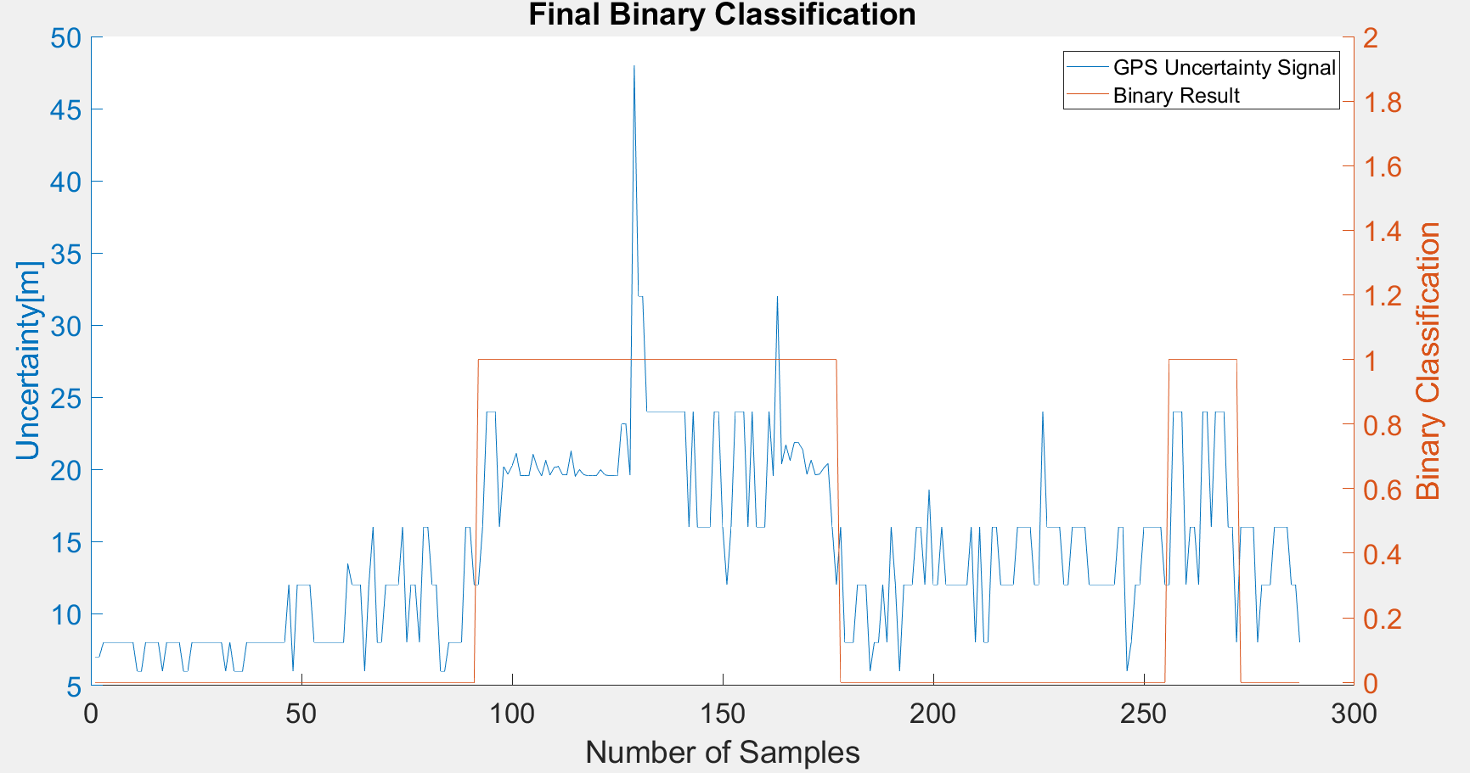
8 | 0
8 | 0 |  | Raw | Magnetic
8 | 0 |  | flags | Binary classification result
8 | 0
8 | 0
8 | 0 |  | n= 287 |  | indoor | outdoor | SUM
8 | 0 |  |  |  | T | F
8 | 0 |  | indoor | T | 80 | 0 | 80 | sum | 287
6 | 0 |  | outdoor | F | 21 | 186 | 207
6 | 0 |  | SUM |  | 101 | 186
8 | 0
8 | 0 |  |  |  | sum | 287
8 | 0
8 | 0 |  | TP or (Recall) | 1
6 | 0 |  | TN | 0.89855072464
8 | 0 |  | Precision | 0.79207920792 |  |  |  | Ground Truth
8 | 0 |  | Accuracy | 0.92682926829 |  |  |  | 92 | 172
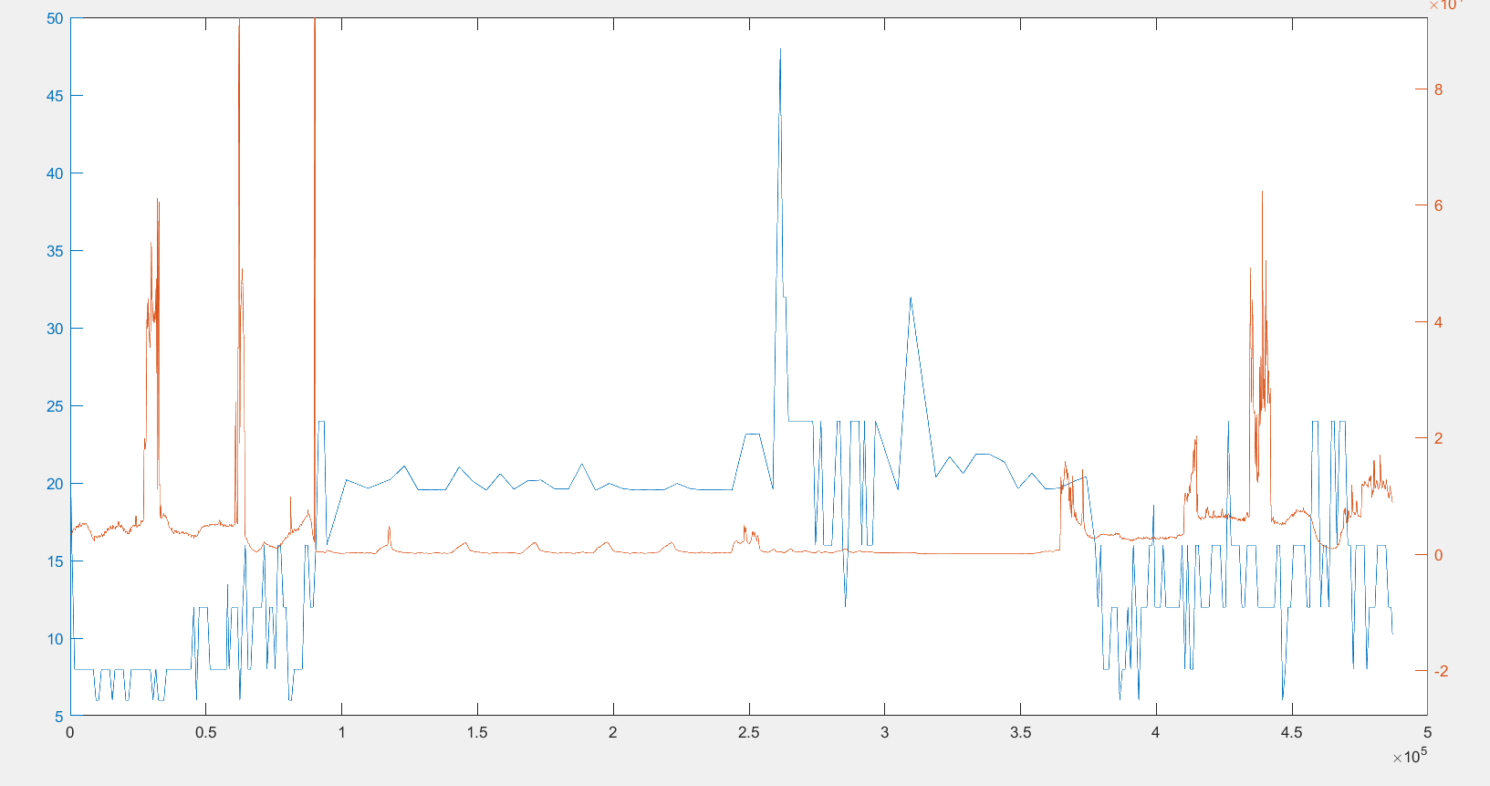
8 | 0 |  | F Score | 0.88397790055
8 | 0
6 | 0
6 | 0 |  | Ground truth: | large edges of GPS or light signal at entrances
8 | 0
8 | 0
8 | 0
8 | 0
8 | 0
8 | 0
8 | 0
8 | 0
6 | 0
8 | 0
6 | 0
6 | 0
6 | 0
8 | 0
8 | 0
8 | 0
8 | 0
8 | 0
8 | 0
8 | 0
8 | 0
8 | 0
8 | 0
12 | 0
6 | 0
12 | 0
12 | 0
12 | 0
12 | 0
8 | 0
8 | 0
8 | 0
8 | 0
8 | 0
8 | 0
8 | 0
8 | 0
13.425999641 | 0
12 | 0
12 | 0
12 | 0
6 | 0
12 | 0
16 | 0
8 | 0
8 | 0
12 | 0
12 | 0
12 | 0
12 | 0
16 | 0
8 | 0
12 | 0
12 | 0
8 | 0
16 | 0
16 | 0
12 | 0
12 | 0
6 | 0
6 | 0
8 | 0
8 | 0
8 | 0
8 | 0
16 | 0
16 | 0
12 | 0
12 | 1
16 | 1
24 | 1
24 | 1
24 | 1
16 | 1
20.197999954 | 1
19.649999619 | 1
20.23500061 | 1
21.094999313 | 1
19.549999237 | 1
19.565999985 | 1
19.541000366 | 1
21.025999069 | 1
20.103000641 | 1
19.541000366 | 1
20.601999283 | 1
19.593000412 | 1
20.128000259 | 1
20.183000565 | 1
19.608999252 | 1
19.611000061 | 1
21.24200058 | 1
19.517000198 | 1
19.969999313 | 1
19.625999451 | 1
19.537000656 | 1
19.577999115 | 1
19.544000626 | 1
19.968000412 | 1
19.61400032 | 1
19.551000595 | 1
19.551000595 | 1
19.533000946 | 1
23.124000549 | 1
23.170000076 | 1
19.608999252 | 1
48 | 1
32 | 1
32 | 1
24 | 1
24 | 1
24 | 1
24 | 1
24 | 1
24 | 1
24 | 1
24 | 1
24 | 1
24 | 1
16 | 1
24 | 1
16 | 1
16 | 1
16 | 1
16 | 1
24 | 1
24 | 1
16 | 1
12 | 1
16 | 1
24 | 1
24 | 1
24 | 1
16 | 1
24 | 1
16 | 1
16 | 1
16 | 1
24 | 1
19.544000626 | 1
32 | 1
20.374000549 | 1
21.687999725 | 1
20.600000381 | 1
21.849000931 | 1
21.836999893 | 1
21.350999832 | 1
19.642999649 | 1
20.634000778 | 1
19.61000061 | 1
19.659000397 | 1
20.082000732 | 1
20.400999069 | 1
16 | 1
12 | 1
16 | 0
8 | 0
8 | 0
8 | 0
12 | 0
12 | 0
12 | 0
6 | 0
8 | 0
8 | 0
12 | 0
8 | 0
16 | 0
12 | 0
6 | 0
12 | 0
12 | 0
12 | 0
16 | 0
16 | 0
12 | 0
18.576000214 | 0
12 | 0
12 | 0
16 | 0
12 | 0
12 | 0
12 | 0
12 | 0
12 | 0
12 | 0
16 | 0
8 | 0
16 | 0
8 | 0
8 | 0
16 | 0
16 | 0
12 | 0
12 | 0
12 | 0
12 | 0
16 | 0
16 | 0
16 | 0
16 | 0
12 | 0
12 | 0
24 | 0
16 | 0
16 | 0
16 | 0
16 | 0
12 | 0
12 | 0
16 | 0
16 | 0
16 | 0
16 | 0
12 | 0
12 | 0
12 | 0
12 | 0
12 | 0
12 | 0
12 | 0
16 | 0
16 | 0
6 | 0
8 | 0
12 | 0
12 | 0
16 | 0
16 | 0
16 | 0
16 | 0
16 | 0
12 | 0
12 | 1
24 | 1
24 | 1
24 | 1
12 | 1
16 | 1
16 | 1
12 | 1
24 | 1
24 | 1
16 | 1
24 | 1
24 | 1
24 | 1
16 | 1
16 | 1
8 | 1
16 | 0
16 | 0
16 | 0
16 | 0
8 | 0
12 | 0
12 | 0
12 | 0
16 | 0
16 | 0
16 | 0
16 | 0
12 | 0
12 | 0
8 | 0

GPS4
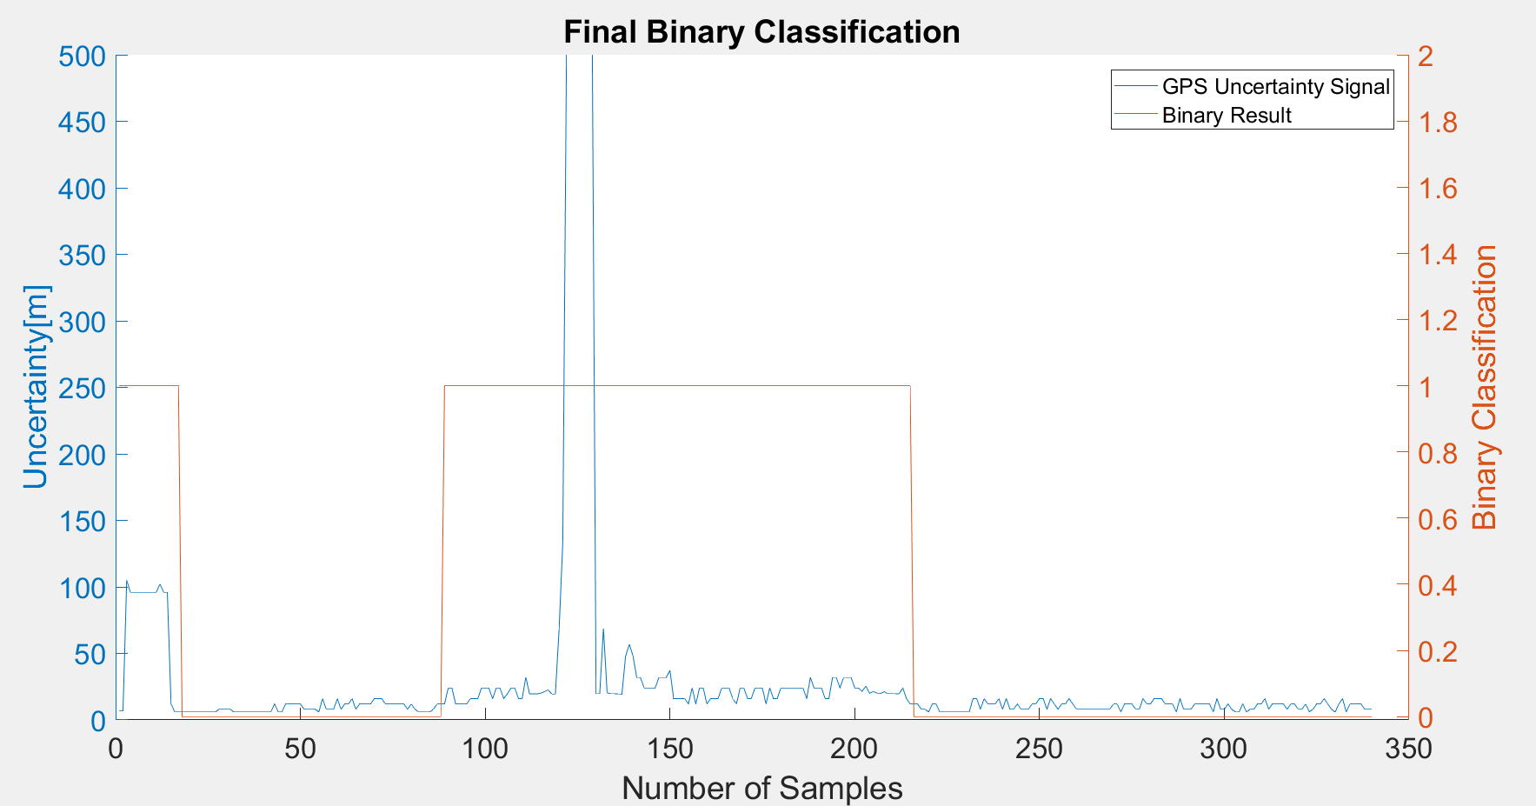
Raw GPS | B6 | Agness35_4.csv |  | 0 | 1 |  | GPS Eval. |  | Building name: | Agnesstr.35
7 | 1 |  |  | outdoor | indoor
7 | 1
104.85399628 | 1
96 | 1 |  | Raw | Magnetic
96 | 1 |  | flags | Binary classification result
96 | 1
96 | 1
96 | 1 |  | n= 340 |  | indoor | outdoor | SUM
96 | 1 |  |  |  | T | F
96 | 1 |  | indoor | T | 126 | 33 | 159 |  | sum | 340
96 | 1 |  | outdoor | F | 17 | 164 | 181
102.07299805 | 1 |  | SUM |  | 143 | 197
96 | 1
96 | 1 |  |  |  | sum | 340
12 | 1
6 | 1 |  | TP or (Recall) | 0.79245283019
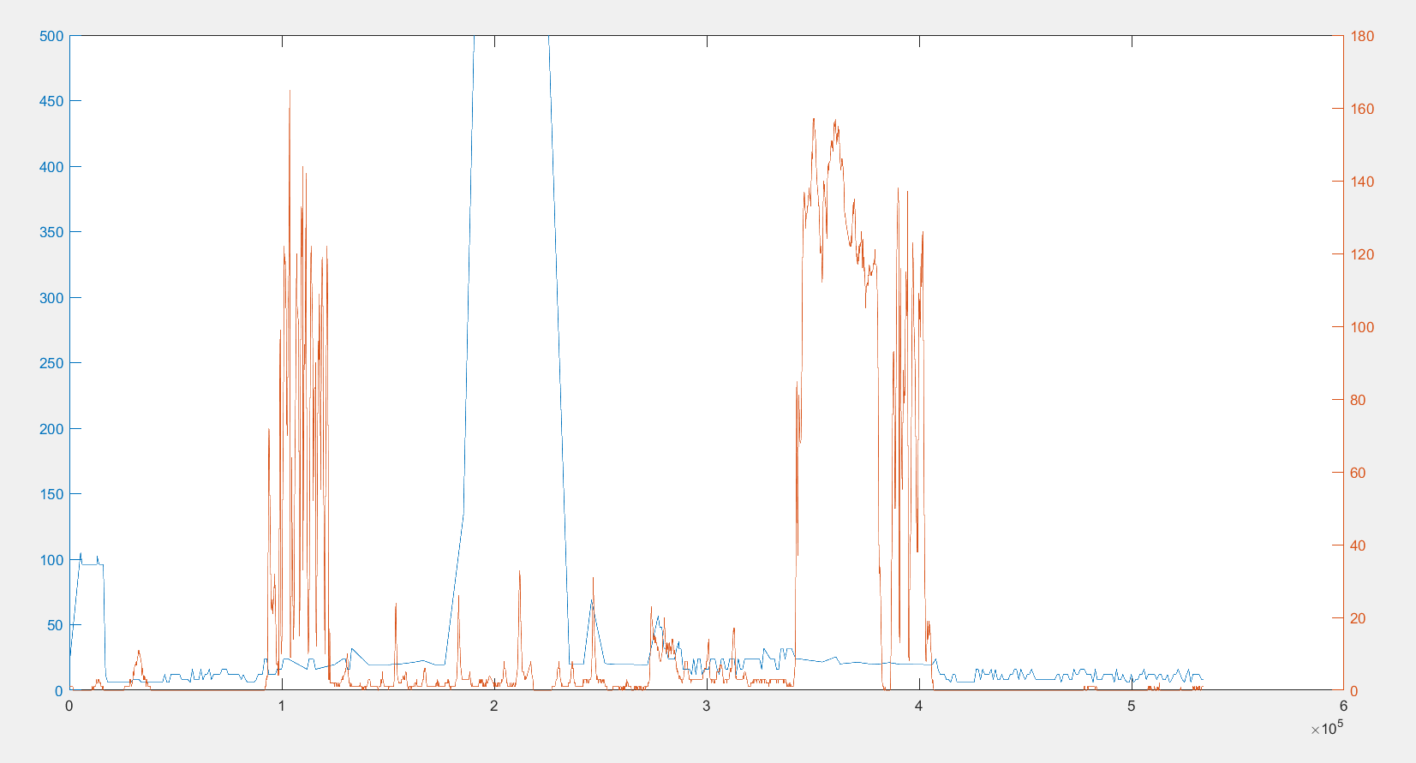
6 | 1 |  | TN | 0.90607734807
6 | 0 |  | Precision | 0.88111888112
6 | 0 |  | Accuracy | 0.85294117647
6 | 0 |  | F Score | 0.83443708609
6 | 0
6 | 0
6 | 0 |  | Ground truth: | large edges of GPS or light signal at entrances
6 | 0
6 | 0
6 | 0
6 | 0 |  |  |  |  |  |  | Ground Truth
8 | 0 |  |  |  |  |  |  | 56 | 215
8 | 0
8 | 0
8 | 0
6 | 0
6 | 0
6 | 0
6 | 0
6 | 0
6 | 0
6 | 0
6 | 0
6 | 0
6 | 0
6 | 0
12 | 0
6 | 0
6 | 0
12 | 0
12 | 0
12 | 0
12 | 0
12 | 0
8 | 0
8 | 0
8 | 0
8 | 0
6 | 0
16 | 0
8 | 0
8 | 0
8 | 0
16 | 0
8 | 0
12 | 0
12 | 0
16 | 0
8 | 0
12 | 0
12 | 0
12 | 0
12 | 0
16 | 0
16 | 0
16 | 0
12 | 0
12 | 0
12 | 0
12 | 0
12 | 0
12 | 0
8 | 0
12 | 0
8 | 0
6 | 0
6 | 0
6 | 0
6 | 0
8 | 0
12 | 0
12 | 0
12 | 1
24 | 1
24 | 1
12 | 1
12 | 1
12 | 1
12 | 1
16 | 1
16 | 1
16 | 1
24 | 1
24 | 1
24 | 1
16 | 1
24 | 1
24 | 1
16 | 1
19.579999924 | 1
24 | 1
24 | 1
16 | 1
16 | 1
32 | 1
19.559000015 | 1
19.607999802 | 1
19.556999207 | 1
20.048999786 | 1
21.215000153 | 1
22.629999161 | 1
19.565000534 | 1
19.558000565 | 1
67.865997314 | 1
133.46400452 | 1
500 | 1
500 | 1
500 | 1
500 | 1
500 | 1
500 | 1
500 | 1
500 | 1
19.624000549 | 1
19.638999939 | 1
68.831001282 | 1
20.365999222 | 1
19.614999771 | 1
19.618000031 | 1
19.604000092 | 1
19.524999619 | 1
48 | 1
56.830001831 | 1
48 | 1
32 | 1
32 | 1
24 | 1
24 | 1
24 | 1
24 | 1
32 | 1
32 | 1
32 | 1
37.145999908 | 1
16 | 1
16 | 1
16 | 1
16 | 1
12 | 1
24 | 1
12 | 1
24 | 1
24 | 1
12 | 1
16 | 1
16 | 1
16 | 1
24 | 1
24 | 1
24 | 1
16 | 1
12 | 1
24 | 1
24 | 1
16 | 1
16 | 1
24 | 1
24 | 1
24 | 1
12 | 1
24 | 1
16 | 1
16 | 1
24 | 1
24 | 1
24 | 1
24 | 1
24 | 1
24 | 1
24 | 1
16 | 1
32 | 1
24 | 1
24 | 1
24 | 1
16 | 1
16 | 1
32 | 1
32 | 1
24 | 1
32 | 1
32 | 1
32 | 1
24 | 1
24 | 1
21.504999161 | 1
25.452999115 | 1
20.031999588 | 1
21.375999451 | 1
20.23900032 | 1
19.978000641 | 1
21.131999969 | 1
19.649999619 | 1
19.659000397 | 1
19.61000061 | 1
19.594999313 | 1
24 | 1
16 | 1
12 | 1
12 | 0
12 | 0
8 | 0
8 | 0
6 | 0
12 | 0
12 | 0
6 | 0
6 | 0
6 | 0
6 | 0
6 | 0
6 | 0
6 | 0
6 | 0
6 | 0
16 | 0
16 | 0
8 | 0
16 | 0
12 | 0
12 | 0
12 | 0
16 | 0
8 | 0
16 | 0
8 | 0
8 | 0
12 | 0
8 | 0
8 | 0
8 | 0
12 | 0
12 | 0
16 | 0
16 | 0
8 | 0
16 | 0
12 | 0
8 | 0
12 | 0
12 | 0
16 | 0
12 | 0
8 | 0
8 | 0
8 | 0
8 | 0
8 | 0
8 | 0
8 | 0
8 | 0
8 | 0
8 | 0
12 | 0
12 | 0
6 | 0
12 | 0
12 | 0
12 | 0
8 | 0
8 | 0
16 | 0
12 | 0
12 | 0
16 | 0
16 | 0
16 | 0
12 | 0
12 | 0
12 | 0
6 | 0
16 | 0
8 | 0
8 | 0
8 | 0
12 | 0
12 | 0
12 | 0
12 | 0
12 | 0
6 | 0
16 | 0
8 | 0
8 | 0
12 | 0
8 | 0
6 | 0
6 | 0
12 | 0
6 | 0
8 | 0
8 | 0
12 | 0
12 | 0
16 | 0
8 | 0
12 | 0
12 | 0
12 | 0
12 | 0
8 | 0
12 | 0
12 | 0
8 | 0
8 | 0
12 | 0
6 | 0
8 | 0
12 | 0
12 | 0
16 | 0
12 | 0
8 | 0
6 | 0
12 | 0
16 | 0
6 | 0
12 | 0
12 | 0
12 | 0
12 | 0
8 | 0
8 | 0
8 | 0

